Simple
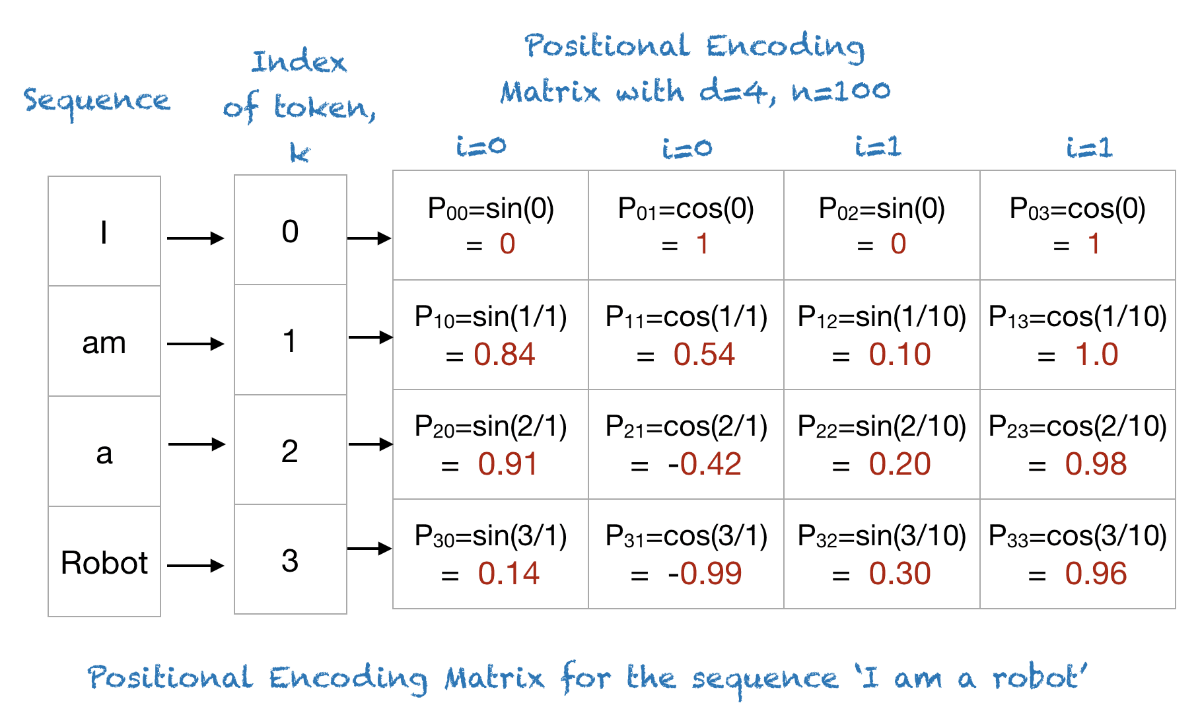
 |  | n | 100 |  |  | theha(i=0) | 1 |  | theha(i=1) | 0.96466161991
 |  | d-model | 4 |  |  | sin(theta) | 0.84147098481 | 0.91939538826 | sin(theta) | 0.82185619002 | 0.86060998261
 |  |  |  |  | 1 | cos(theta) | 0.54030230587 |  | cos(theta) | 0.56969500869
 |  | index
 | Pos/K | 0 | 1 | 2 | 3 | Distance
I | 0 | 0 | 1 | 0 | 1
am | 1 | 0.84147098481 | 0.54030230587 | 0.099833416647 | 0.99500416528 | 0.96404722794 |  |  | 1.8587741154
a | 2 | 0.90929742683 | -0.41614683655 | 0.1986693308 | 0.98006657784 | 0.96404722794 |  |  | 0.92938705771 |  | 0.90929742683 | -0.41614683655
Robot | 3 | 0.14112000806 | -0.9899924966 | 0.29552020666 | 0.95533648913 | 0.96404722794 |  |  | 0.92938705771
, | 4 | -0.75680249531 | -0.65364362086 | 0.38941834231 | 0.921060994 | 0.96404722794
you | 5 | -0.95892427466 | 0.28366218546 | 0.4794255386 | 0.87758256189 | 0.96404722794
 | 6 | -0.2794154982 | 0.96017028665 | 0.5646424734 | 0.82533561491 | 0.96404722794
 | 7 | 0.65698659872 | 0.75390225434 | 0.64421768724 | 0.76484218728 | 0.96404722794
 | 8 | 0.98935824662 | -0.14550003381 | 0.7173560909 | 0.69670670935 | 0.96404722794
 | 9 | 0.41211848524 | -0.91113026188 | 0.78332690963 | 0.62160996827 | 0.96404722794
 | 10
 | 11
 | 12
 | 13
 | 14
 | 15
 | 16
 | 17
 | 18
 | 19
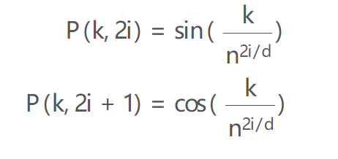
 | 20
 | 21
 | 22
 | 23
 | 24
 | 25
 | 26
 | 27
 | 28
 | 29
 | 30

